Design User Interface
Intial Screen: | New emotion event:
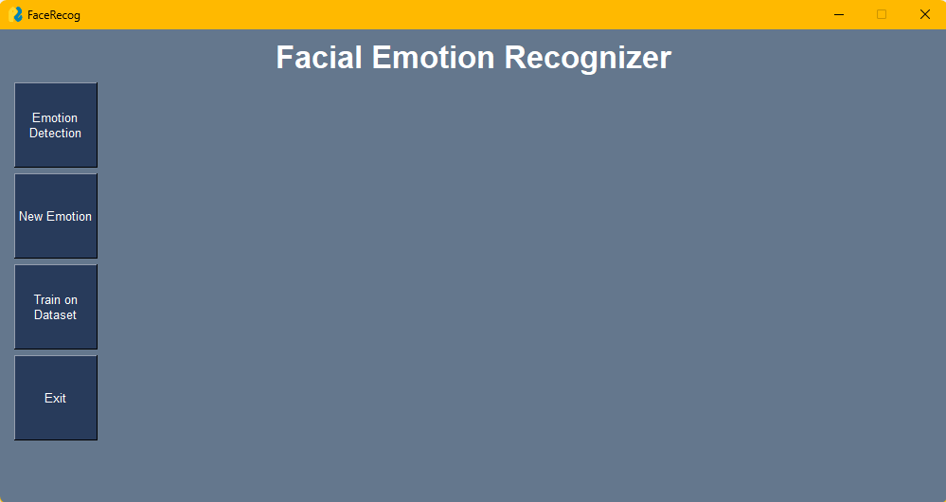
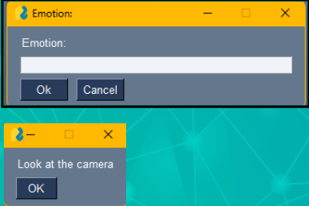

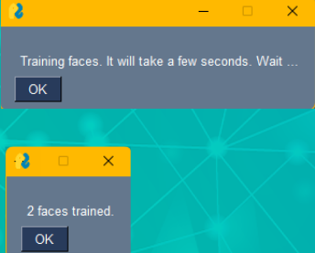
 | Training on dataset event:
Emotion Detection event:
none(only camera screen appears.)

